Example Fig 9.2
Year | 1990 | 1991 | 1992 | 1993 | 1994 | 1995 | 1996 | 1997 | 1998 | 1999 | 2000 | 2001 | 2002 | 2003 | 2004 | 2005 | 2006 | 2007 | 2008 | 2009 | 2010 | 2011 | 2012 | 2013 | 2014 | 2015
Total | 1204318.9745 | 1215304.1478 | 1230277.563 | 1236362.8321 | 1261297.3437 | 1354317.0111 | 1317049.7816 | 1335589.3704 | 1350463.159 | 1387250.9273 | 1411974.3985 | 1405724.3886 | 1451605.2707 | 1451411.1546 | 1556558.3513 | 1539365.4273 | 1547942.5909 | 1687205.657 | 1517618.5532 | 1489595.381 | 1500704.1025 | 1533758.2637 | 1448819.2756 | 1440514.8474 | 1473350.7195 | 1470151.8832

Sheet2
https://www.nature.com/articles/s43016-021-00225-9 |  |  | (Supplementary Data1, Table S7-FOOD emi by sector)
Data are in kt CO2eq

Country_code_A3 | Name | C_group_IM24_sh | dev_country | Substance | FOOD_system_stage | 1990 | 1991 | 1992 | 1993 | 1994 | 1995 | 1996 | 1997 | 1998 | 1999 | 2000 | 2001 | 2002 | 2003 | 2004 | 2005 | 2006 | 2007 | 2008 | 2009 | 2010 | 2011 | 2012 | 2013 | 2014 | 2015
USA | United States | 02:_USA | I | GWP_100_CH4 | Consumption | 1050.5640163 | 1070.2770837 | 1074.8044695 | 1136.5743979 | 1117.7731747 | 1086.2772065 | 1136.1596547 | 1070.8305193 | 1013.7820025 | 998.32707641 | 1052.3818813 | 1077.6218684 | 1119.020767 | 1159.8172777 | 1032.2857039 | 949.21577995 | 872.64275624 | 901.22532693 | 942.29496255 | 954.79942441 | 913.55614049 | 915.15612119 | 794.59566538 | 923.18243384 | 981.1371339 | 898.18224013
USA | United States | 02:_USA | I | GWP_100_CO2 | Consumption | 37484.756122 | 38621.388954 | 39365.930088 | 41493.801411 | 41458.162169 | 42461.018581 | 44796.311394 | 45916.00918 | 45940.611684 | 45940.746772 | 47544.440606 | 49568.48248 | 48901.246374 | 50126.485318 | 49722.36678 | 51351.267785 | 48937.768891 | 51333.078291 | 49982.676241 | 47393.485616 | 49820.979985 | 47468.898082 | 43087.941151 | 44956.334752 | 45758.703062 | 42528.391676
USA | United States | 02:_USA | I | GWP_100_N2O | Consumption | 5889.8285997 | 5737.9926752 | 5579.4312191 | 5541.4816627 | 5528.4098453 | 5986.28203 | 6009.6043399 | 6156.5146851 | 6131.5234413 | 6424.42346 | 6513.1356189 | 6410.4556412 | 6209.6132747 | 6254.708352 | 6282.2127987 | 6200.7090809 | 6181.5477843 | 6123.2873141 | 5648.8371019 | 5115.6725659 | 5333.1698976 | 5332.3709401 | 5388.0042615 | 5383.2102967 | 5484.5037895 | 5451.5860543
USA | United States | 02:_USA | I | GWP_100_CH4 | End_of_Life | 122423.7112 | 122967.8688 | 123736.284 | 122972.8108 | 121869.832 | 117209.148 | 114634.086 | 108114.3728 | 103382.8992 | 100020.5808 | 98105.6944 | 82766.3256 | 78394.1368 | 81408.6056 | 78617.3024 | 82856.2616 | 84864.248 | 87369.268 | 91591.2144 | 84147.4032 | 75059.5272 | 72441.9696 | 70199.4496 | 70791.3304 | 71113.8064 | 71575.4144
USA | United States | 02:_USA | I | GWP_100_N2O | End_of_Life | 4493.51755 | 4617.37855 | 4754.3014 | 4934.3795 | 5095.5578 | 5227.0031 | 5388.6584 | 5559.13555 | 5737.9867 | 5910.4805 | 7660.6783 | 7950.3604 | 8070.72075 | 8387.8648 | 8637.7863 | 8751.8635 | 8880.1977 | 8970.14135 | 9020.60795 | 8942.8543 | 8963.4024 | 9098.19995 | 9208.9302 | 9342.8612 | 9492.11715 | 9614.34575
USA | United States of America | 02:_USA | I | GWP_100_CH4 | LULUC (Production) | 1281.9889 | 1281.9889 | 1281.9889 | 1281.9889 | 1281.9889 | 1281.9889 | 643.0666 | 470.6282 | 576.11 | 796.8851 | 578.545 | 862.4753 | 1299.5728 | 1043.2787 | 1627.821 | 1285.777 | 1311.5289 | 2504.3396 | 1007.2328 | 1218.6064 | 1172.066 | 1686.488 | 1227.239 | 1011.8801 | 1193.6831 | 1256.9287
USA | United States of America | 02:_USA | I | GWP_100_CO2 | LULUC (Production) | 228389.6604 | 228909.0269 | 229428.0205 | 229946.6417 | 230339.4752 | 230982.6984 | 168209.6359 | 153178.2763 | 162463.4782 | 185556.9755 | 162922.3786 | 152987.9216 | 194316.8951 | 167692.354 | 231317.9902 | 195783.687 | 170695.11 | 288086.9462 | 137818.6895 | 160948.1239 | 158989.3683 | 207316.7675 | 155741.6576 | 136771.2266 | 157039.7689 | 157331.1991
USA | United States of America | 02:_USA | I | GWP_100_N2O | LULUC (Production) | 17.449 | 17.449 | 17.449 | 17.449 | 17.449 | 17.449 | 9.6875 | 6.1787 | 8.8424 | 11.442 | 9.4938 | 10.228 | 17.3906 | 14.8899 | 18.4477 | 15.1626 | 17.4044 | 33.1265 | 15.0159 | 15.9689 | 13.9244 | 21.7228 | 20.4541 | 15.1832 | 16.5362 | 21.1205
USA | United States | 02:_USA | I | GWP_100_CH4 | Packaging | 2088.5911335 | 1865.6288645 | 1465.0525823 | 1424.8422227 | 1373.1690363 | 4358.0197976 | 4194.3802153 | 4269.3710441 | 4168.93947 | 4539.1813301 | 5027.7830603 | 4762.9629027 | 4211.4368434 | 4107.6879061 | 3979.386572 | 3526.0969775 | 3624.4307674 | 3413.3471536 | 3221.945373 | 2781.1383174 | 3063.814739 | 3334.2048901 | 3102.2598192 | 2994.7277384 | 3123.8211188 | 3179.1896924
USA | United States | 02:_USA | I | GWP_100_CO2 | Packaging | 55947.129596 | 60265.343112 | 54241.259018 | 53194.363072 | 51668.725293 | 88734.460442 | 89181.700707 | 90479.452984 | 86987.899306 | 92883.368188 | 100754.36302 | 96259.815661 | 82387.455005 | 82624.163117 | 86976.117373 | 83851.356483 | 84389.681405 | 83805.120173 | 78135.796127 | 64529.278288 | 66611.209491 | 66997.945143 | 58494.781052 | 55693.575005 | 55531.21597 | 54455.784601
USA | United States | 02:_USA | I | GWP_100_N2O | Packaging | 267.08307994 | 295.38617157 | 284.73355455 | 331.55043026 | 323.81476852 | 389.61229894 | 362.68228381 | 381.0014926 | 373.71603631 | 736.875815 | 768.36858157 | 686.23387972 | 599.53219979 | 635.86515769 | 685.85772531 | 699.75561084 | 766.75309078 | 749.36845344 | 713.92638214 | 616.95829623 | 723.79491631 | 723.72819814 | 698.9834454 | 695.68913976 | 703.26393384 | 684.78946515
USA | United States | 02:_USA | I | GWP_100_CH4 | Processing | 8313.3244305 | 8450.8888045 | 8074.3622274 | 7916.7491814 | 8288.1615744 | 8166.4231696 | 8140.2698525 | 8734.6144876 | 8704.1325892 | 8738.3100042 | 9354.5352833 | 9218.2423737 | 9628.6673754 | 9668.0542758 | 9555.6099389 | 9255.0554901 | 9783.2877005 | 10246.857721 | 10775.083243 | 10603.27291 | 10853.179152 | 11211.80761 | 10989.220586 | 11155.375764 | 11630.771978 | 11569.190245
USA | United States | 02:_USA | I | GWP_100_CO2 | Processing | 38692.571657 | 40945.09865 | 32495.919669 | 29544.796369 | 29253.359799 | 68694.575185 | 69697.151817 | 76658.285375 | 75041.25234 | 70287.492959 | 78317.901374 | 82218.054167 | 81993.102306 | 83746.875888 | 86160.376806 | 85823.968932 | 90876.815835 | 92121.278217 | 91795.549956 | 84355.388055 | 86594.914124 | 85604.039816 | 75016.852499 | 76957.145478 | 78174.490966 | 74631.416545
USA | United States | 02:_USA | I | GWP_100_N2O | Processing | 1303.4983419 | 1342.8550942 | 1338.721708 | 1347.72545 | 1361.2428719 | 1417.4104988 | 1434.6548334 | 1471.8225143 | 1497.3328227 | 1549.7172662 | 1968.1586524 | 2063.793679 | 2061.7996652 | 2114.0152255 | 2156.2423911 | 2173.3366857 | 2207.7461706 | 2199.4793137 | 2201.4689981 | 2181.7323652 | 2202.7356712 | 2222.1475743 | 2209.1538814 | 2227.9705607 | 2248.7813087 | 2261.8706123
USA | United States | 02:_USA | I | GWP_100_CH4 | Production | 232540.43572 | 235341.39918 | 239996.45518 | 241576.85678 | 248308.76037 | 249873.34147 | 250085.44312 | 251161.50795 | 249637.45502 | 249741.64697 | 248589.15216 | 248795.54492 | 249109.30233 | 248395.05395 | 248912.47858 | 249879.54417 | 252225.00332 | 253340.60471 | 256529.98886 | 253020.04981 | 254899.78198 | 253169.50576 | 253017.09877 | 252555.35608 | 255206.8387 | 258719.8169
USA | United States | 02:_USA | I | GWP_100_CO2 | Production | 76285.731078 | 75043.772557 | 84739.753516 | 82601.264097 | 83098.331747 | 82004.073211 | 82972.10578 | 85536.869642 | 82126.450416 | 77167.148045 | 84800.747666 | 77156.291318 | 83367.551736 | 79446.095862 | 91833.791747 | 89231.305453 | 94912.195443 | 90876.099139 | 86794.958216 | 82674.099467 | 84876.584715 | 80404.67613 | 78937.608816 | 81693.432376 | 81042.417874 | 84898.471185
USA | United States | 02:_USA | I | GWP_100_N2O | Production | 145356.58133 | 145747.56706 | 150625.25672 | 150699.46048 | 157199.42706 | 155576.00879 | 160818.75585 | 162919.96968 | 162882.27948 | 160251.10678 | 157566.17829 | 157745.43481 | 156538.22326 | 158829.69635 | 163812.81501 | 162089.88758 | 167599.42868 | 165173.81159 | 162283.45268 | 165500.95479 | 168946.84561 | 168451.2493 | 165558.63934 | 169467.41399 | 167660.55076 | 168506.27807
USA | United States | 02:_USA | I | GWP_100_CH4 | Retail | 3327.4847335 | 3397.9198371 | 3397.651935 | 3435.7853316 | 3491.5843256 | 3536.5563803 | 3570.103526 | 3604.0903514 | 3496.9786598 | 3373.6835681 | 3476.8306498 | 3551.0400361 | 3759.2387114 | 3786.371393 | 3433.7872217 | 3035.2392993 | 2923.2694765 | 2973.729086 | 3144.9707396 | 3222.4295415 | 3032.6074085 | 3111.7350349 | 2759.1246029 | 3120.657966 | 3355.5975446 | 3112.3933231
USA | United States | 02:_USA | I | GWP_100_CO2 | Retail | 82484.572358 | 84403.264285 | 86823.554753 | 89062.578833 | 90870.834361 | 94739.160006 | 98419.483196 | 105648.02068 | 104906.09381 | 105703.80523 | 109606.58264 | 115043.52922 | 111344.15868 | 112448.83927 | 112722.63021 | 113509.47686 | 111087.63494 | 116296.27547 | 115166.68985 | 109346.42359 | 110682.41015 | 107880.82816 | 99967.088192 | 105083.87734 | 107117.08121 | 99736.734088
USA | United States | 02:_USA | I | GWP_100_F-gases | Retail | 106.45505 | 511.887182 | 2212.211364 | 5846.22124 | 11951.02288 | 20469.08856 | 31640.90943 | 45789.042573 | 62087.326844 | 78774.04183 | 96704.285693 | 114573.6565 | 131472.08534 | 149079.96696 | 166230.2729 | 184251.35463 | 199315.83969 | 214449.32858 | 215030.59156 | 214280.62933 | 212912.21148 | 211282.51062 | 209571.20743 | 207869.58354 | 207869.58354 | 207869.58354
USA | United States | 02:_USA | I | GWP_100_N2O | Retail | 300.42083127 | 315.19374577 | 335.47578048 | 354.42283016 | 372.44450554 | 385.55400323 | 401.76301777 | 434.44634821 | 432.33460982 | 412.47731852 | 453.78456633 | 505.45322745 | 464.93458351 | 471.76541448 | 480.8079032 | 481.44033954 | 475.99907281 | 482.85644197 | 502.17878719 | 460.19133219 | 470.96110888 | 451.34660428 | 407.28428475 | 423.17323719 | 425.36186141 | 373.81618783
USA | United States | 02:_USA | I | GWP_100_CH4 | Transport | 3141.7118486 | 3090.5955189 | 3050.0091319 | 3109.6624451 | 3113.1754059 | 3202.3896315 | 3213.2290571 | 3235.3099647 | 3177.359496 | 2954.0540826 | 3059.6515292 | 3142.3290043 | 3247.0643686 | 2929.4520943 | 3094.4524498 | 2868.3989661 | 3371.4549757 | 3333.5562777 | 3791.03488 | 4702.6072788 | 6037.1149802 | 8051.3238653 | 9381.5127017 | 9325.4022978 | 11281.470228 | 11802.7127
USA | United States | 02:_USA | I | GWP_100_CO2 | Transport | 148101.78006 | 146064.3066 | 150773.05153 | 153365.29162 | 158490.93842 | 162909.14485 | 166414.75944 | 169121.28776 | 173929.85072 | 178636.32738 | 181249.2513 | 182744.22632 | 187609.28588 | 191814.81161 | 194211.01783 | 196640.31342 | 197781.66898 | 197697.23071 | 187180.9802 | 178518.68281 | 184407.59422 | 182417.83751 | 188803.08553 | 187846.79771 | 192663.04989 | 195353.07706
USA | United States | 02:_USA | I | GWP_100_N2O | Transport | 5030.1274908 | 4999.6702564 | 5185.8847758 | 5226.1343828 | 5423.7031449 | 5609.3276239 | 5675.1796605 | 5672.3315979 | 5758.5237942 | 5841.8293743 | 5890.0758352 | 5623.9097056 | 5482.8359417 | 5224.436185 | 5056.493764 | 4854.9520751 | 4840.9329251 | 4725.3014281 | 4323.3685563 | 4064.6305452 | 4122.3484415 | 4161.8044737 | 4237.1030268 | 4209.4601745 | 4236.1669161 | 4319.5905631

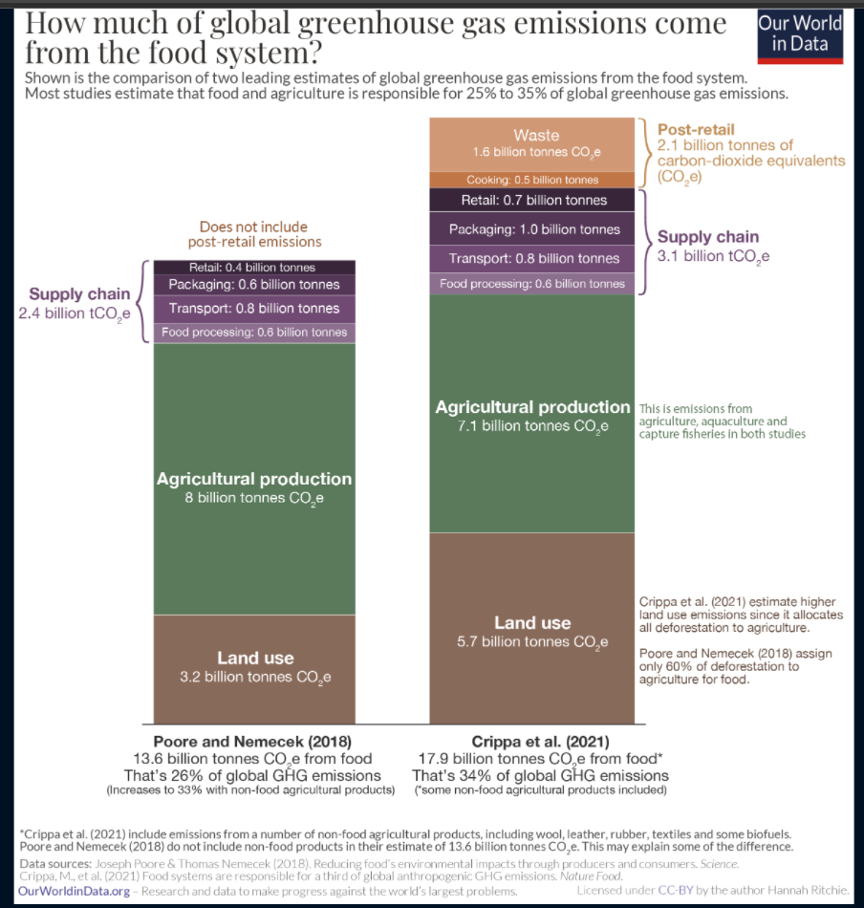

 |  |  |  | this is global ->

